Web Services
Web Services

Web Services

Service | Resource_Management
Operation | Submit Supplier Invoice
Version | v38.0
<?xml version="1.0" encoding="UTF-8"?>
<xsl:stylesheet xmlns:xsl="http://www.w3.org/1999/XSL/Transform"
xmlns:xs="http://www.w3.org/2001/XMLSchema" exclude-result-prefixes="xs" version="2.0">
<xsl:output indent="yes"/>
<xsl:strip-space elements="*"/>
<xsl:param name="pFileName"/>
<xsl:param name="pEmail"/>
<xsl:param name="ia.Company"/>
<xsl:param name="ia.Currency"/>
<xsl:param name="ia.SpendCategory"/>
<xsl:param name="ia.Supplier"/>
<xsl:param name="ia.PaymentTerms"/>
<xsl:param name="ia.WorkQueueTag"/>
<xsl:param name="ia.CostCenter"/>
<xsl:template match="/invoice">
<env:Envelope xmlns:env="http://schemas.xmlsoap.org/soap/envelope/"
xmlns:xsd="http://www.w3.org/2001/XMLSchema">
<env:Body>
<wd:Submit_Supplier_Invoice_Request xmlns:wd="urn:com.workday/bsvc"
wd:Add_Only="true" wd:version="v38.0">
<wd:Business_Process_Parameters>
<wd:Auto_Complete>true</wd:Auto_Complete>
<wd:Comment_Data>
<wd:Comment><xsl:value-of select="$pEmail"/></wd:Comment>
</wd:Comment_Data>
</wd:Business_Process_Parameters>
<wd:Supplier_Invoice_Data>
<wd:Submit>false</wd:Submit>
<wd:External_Supplier_Invoice_Source_Reference>
<wd:ID wd:type="External_Supplier_Invoice_Source_ID">AP Email Inbox</wd:ID>
</wd:External_Supplier_Invoice_Source_Reference>
<wd:Invoice_Document_Status_Reference>
<wd:ID wd:type="Document_Status_ID">DRAFT</wd:ID>
</wd:Invoice_Document_Status_Reference>
<wd:Company_Reference>
<wd:ID wd:type="Company_Reference_ID"><xsl:value-of select="$ia.Company"/></wd:ID>
</wd:Company_Reference>
<wd:Currency_Reference>
<wd:ID wd:type="Currency_ID"><xsl:value-of select="$ia.Currency"/></wd:ID>
</wd:Currency_Reference>
<wd:Supplier_Reference>
<wd:ID wd:type="Supplier_ID"><xsl:value-of select="$ia.Supplier"/></wd:ID>
</wd:Supplier_Reference>
<wd:Invoice_Date><xsl:value-of select="format-date(current-date(),'[Y0001]-[M01]-[D01]')"/></wd:Invoice_Date>
<wd:Memo>Draft Invoice from Email</wd:Memo>
<wd:Payment_Terms_Reference>
<wd:ID wd:type="Payment_Terms_ID"><xsl:value-of select="$ia.PaymentTerms"/></wd:ID>
</wd:Payment_Terms_Reference>
<xsl:if test="attachment">
<xsl:call-template name="AttachmentData"/>
</xsl:if>
<xsl:if test="body">
<xsl:call-template name="BodyData"/>
</xsl:if>
<xsl:if test="eml">
<xsl:call-template name="EMLData"/>
</xsl:if>
<wd:Invoice_Line_Replacement_Data>
<wd:Line_Order>1</wd:Line_Order>
<wd:Intercompany_Affiliate_Reference>
<wd:ID wd:type="Company_Reference_ID"><xsl:value-of select="$ia.Company"/></wd:ID>
</wd:Intercompany_Affiliate_Reference>
<wd:Item_Description>Placeholder</wd:Item_Description>
<wd:Spend_Category_Reference>
<wd:ID wd:type="Spend_Category_ID"><xsl:value-of select="$ia.SpendCategory"/></wd:ID>
</wd:Spend_Category_Reference>
<wd:Quantity>1</wd:Quantity>
<wd:Unit_of_Measure_Reference>
<wd:ID wd:type="UN_CEFACT_Common_Code_ID">EA</wd:ID>
</wd:Unit_of_Measure_Reference>
<wd:Unit_Cost>10.00</wd:Unit_Cost>
<wd:Extended_Amount>10.00</wd:Extended_Amount>
<wd:Memo>Placeholder Line Item</wd:Memo>
<wd:Worktags_Reference>
<wd:ID wd:type="Cost_Center_Reference_ID"><xsl:value-of select="$ia.CostCenter"/></wd:ID>
</wd:Worktags_Reference>
</wd:Invoice_Line_Replacement_Data>
<wd:Work_Queue_Information_Data>
<wd:Work_Queue_Tags_Reference>
<wd:ID wd:type="Work_Queue_Tag_ID"><xsl:value-of select="$ia.WorkQueueTag"/></wd:ID>
</wd:Work_Queue_Tags_Reference>
</wd:Work_Queue_Information_Data>
</wd:Supplier_Invoice_Data>
</wd:Submit_Supplier_Invoice_Request>
</env:Body>
</env:Envelope>
</xsl:template>
<xsl:template name="AttachmentData" xmlns:wd="urn:com.workday/bsvc">
<xsl:variable name="Attachment">
<xsl:text>wd:Attachment_Data</xsl:text>
</xsl:variable>
<xsl:element name="{$Attachment}">
<xsl:attribute name="wd:Content_Type">
<xsl:text>none</xsl:text>
</xsl:attribute>
<xsl:attribute name="wd:Filename">
<xsl:value-of select="$pFileName"/>
</xsl:attribute>
<xsl:attribute name="wd:Encoding">
<xsl:text>none</xsl:text>
</xsl:attribute>
<xsl:attribute name="wd:Compressed">
<xsl:text>false</xsl:text>
</xsl:attribute>
<wd:File_Content><xsl:value-of select="attachment"/></wd:File_Content>
<wd:Comment>Review File For Invoice Data</wd:Comment>
</xsl:element>
</xsl:template>
<xsl:template name="BodyData" xmlns:wd="urn:com.workday/bsvc">
<xsl:variable name="Attachment">
<xsl:text>wd:Attachment_Data</xsl:text>
</xsl:variable>
<xsl:element name="{$Attachment}">
<xsl:attribute name="wd:Content_Type">
<xsl:text>none</xsl:text>
</xsl:attribute>
<xsl:attribute name="wd:Filename">
<text>Body.html</text>
</xsl:attribute>
<xsl:attribute name="wd:Encoding">
<xsl:text>none</xsl:text>
</xsl:attribute>
<xsl:attribute name="wd:Compressed">
<xsl:text>false</xsl:text>
</xsl:attribute>
<wd:File_Content><xsl:value-of select="body"/></wd:File_Content>
<wd:Comment>Email Body</wd:Comment>
</xsl:element>
</xsl:template>
<xsl:template name="EMLData" xmlns:wd="urn:com.workday/bsvc">
<xsl:variable name="Attachment">
<xsl:text>wd:Attachment_Data</xsl:text>
</xsl:variable>
<xsl:element name="{$Attachment}">
<xsl:attribute name="wd:Content_Type">
<xsl:text>none</xsl:text>
</xsl:attribute>
<xsl:attribute name="wd:Filename">
<text>email.eml</text>
</xsl:attribute>
<xsl:attribute name="wd:Encoding">
<xsl:text>none</xsl:text>
</xsl:attribute>
<xsl:attribute name="wd:Compressed">
<xsl:text>false</xsl:text>
</xsl:attribute>
<wd:File_Content><xsl:value-of select="eml"/></wd:File_Content>
<wd:Comment>Email File</wd:Comment>
</xsl:element>
</xsl:template>
</xsl:stylesheet>

Web Services

Service | Resource_Management
Operation | Get Suppliers
Version | v38.0
<?xml version="1.0" encoding="UTF-8"?>
<xsl:stylesheet version="1.0" xmlns:xsl="http://www.w3.org/1999/XSL/Transform">
<xsl:param name="pSupplierID"/>
<xsl:template match="/">
<env:Envelope xmlns:env="http://schemas.xmlsoap.org/soap/envelope/">
<env:Body>
<wd:Get_Suppliers_Request xmlns:wd="urn:com.workday/bsvc" wd:version="v38.0">
<wd:Request_References>
<wd:Supplier_Reference>
<wd:ID wd:type="Supplier_ID"><xsl:value-of select="$pSupplierID"/></wd:ID>
</wd:Supplier_Reference>
</wd:Request_References>
<wd:Response_Filter>
<wd:Page>1</wd:Page>
<wd:Count>1</wd:Count>
</wd:Response_Filter>
</wd:Get_Suppliers_Request>
</env:Body>
</env:Envelope>
</xsl:template>
</xsl:stylesheet>

Java Code

package wd.util;
import java.io.ByteArrayOutputStream;
import java.io.FilterOutputStream;
import java.io.IOException;
import java.io.InputStream;
import java.io.OutputStream;
import org.apache.commons.codec.binary.Base64;
import org.apache.commons.codec.binary.Base64OutputStream;
import com.capeclear.mediation.MediationContext;
import org.apache.commons.io.IOUtils;
import java.util.*;
import javax.mail.*;
import javax.mail.search.FlagTerm;
import javax.mail.internet.MimeBodyPart;
import javax.mail.internet.InternetAddress;
public class email {
public static String getUnreadEmailData(MediationContext context) {
String payload = "<root>";
String username = context.getTypedProperty("pIMAPUsername");
String password = context.getTypedProperty("pIMAPPassword");
String body = "";
Properties props = new Properties();
int count = 0;
props.setProperty("mail.store.protocol", "imaps");
try {
Session session = Session.getDefaultInstance(new Properties( ));
Store store = session.getStore("imaps");
store.connect("outlook.office365.com", 993, username, password);
Folder inbox = store.getFolder("INBOX");
inbox.open(Folder.READ_WRITE);
Message msg[] = inbox.search(
new FlagTerm(new Flags(Flags.Flag.SEEN),false));
Arrays.sort(msg, (m1,m2) -> {
try {
return m2.getSentDate().compareTo(m1.getSentDate());
} catch (MessagingException e)
{
throw new RuntimeException(e);
}
});
for (Message message: msg) {
count = 0;
InternetAddress sender = (InternetAddress) message.getFrom()[0];
try {
message.getContent();
}
catch (Exception mex){
payload += "<invoice>";
payload += "<email>" + sender.getAddress() + "</email>";
payload += "<error>" + mex.toString() + "</error>";
payload += "</invoice>";
}
ByteArrayOutputStream base64StringOutputStream = new ByteArrayOutputStream();
message.writeTo(base64StringOutputStream);
base64StringOutputStream.close();
byte[] test = base64StringOutputStream.toByteArray();
String eml = "";
eml = Base64.encodeBase64URLSafeString(test);
if (message.getContentType().contains("multipart")) {
try{
Multipart multipart = (Multipart) message.getContent();
for (int i=0; i<multipart.getCount();i++) {
MimeBodyPart part = (MimeBodyPart) multipart.getBodyPart(i);
if (Part.ATTACHMENT.equalsIgnoreCase(part.getDisposition())) {
count++;
InputStream attachment = part.getInputStream();
byte[] bytes = IOUtils.toByteArray(attachment);
String attachmentEncoded = Base64.encodeBase64URLSafeString(bytes);
String fileName = part.getFileName();
fileName = fileName.replace("&", "&amp;");
payload += "<invoice><email>" + sender.getAddress() + "</email><filename>" + fileName + "</filename><attachment>" + attachmentEncoded + "</attachment><eml>" + eml + "</eml></invoice>";
}
}
if (count == 0){
payload += "<invoice><email>" + sender.getAddress() + "</email><eml>" + eml + "</eml></invoice>";
}
}
catch (Exception mex) {
payload += "<invoice>";
payload += "<email>" + sender.getAddress() + "</email>";
payload += "<error>" + mex.toString() + "</error>";
payload += "</invoice>";
}
}
else {
payload += "<invoice><email>" + sender.getAddress() + "</email><eml>" + eml + "</eml></invoice>";
}
body = "";
}
inbox.close(false);
payload += "</root>";
} catch (Exception mex) {
mex.printStackTrace();
}
return payload;
}
}

Process Flow
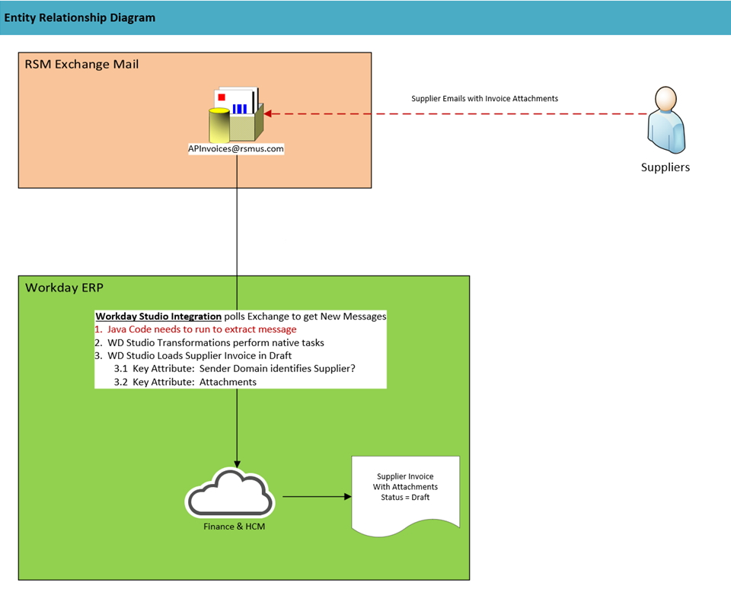
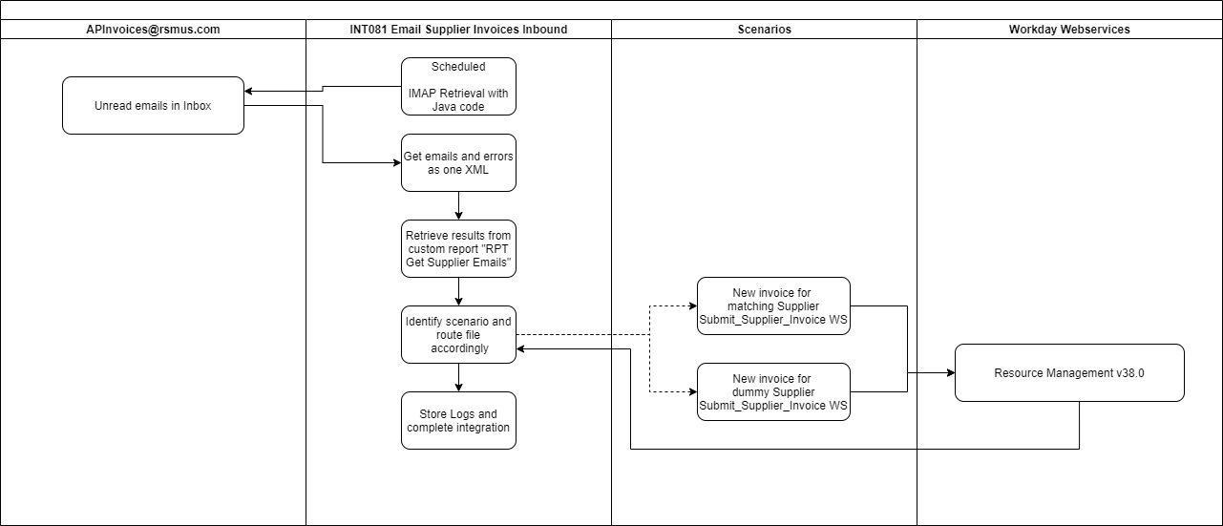
Process Flow

Process Flow Diagram

